Sheet1
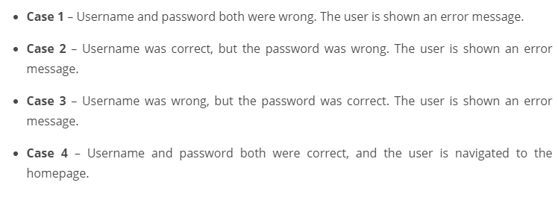
Decision Table testing
https://www.edureka.co/blog/decision-table-in-software-testing/
https://www.qaoncloud.com/what-is-decision-table-testing-explained-with-example/

used for testing the system behavior for different input combinations.
Systematic table lists
combinations and their corresponding system behavior

Helpful for:
stating complex business rules or logic
decding the various combinations of input and expectations
Working through requirement scenarios

Not so heloful for:
stating complex business rules or logic
decding the various combinations of input and expectations
work out the needed input to completely cover tests

Decision table consists of inputs and ACTIONS
Would not include:
1. impossible conditions
2. Possible but not feasible combinations
3. Combinations not changing outcome
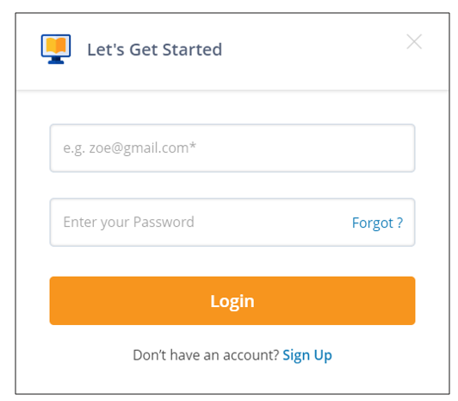

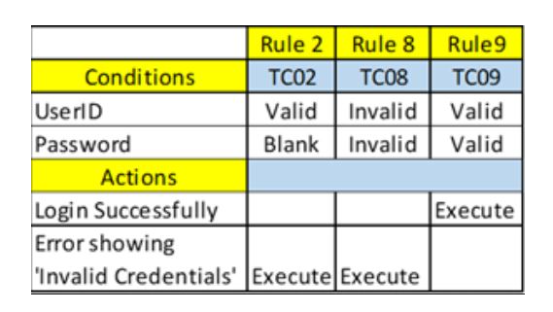
Rules 1,2, 3, 4, and 5 cover the same action Item “Invalid Credentials” with options Blank and Invalid. Hence, we can consider any one of these test cases TC01 OR TC02 OR TC03 OR TC04 OR TC05
Rules 6,7, and 8 cover the same action Item “Invalid Credentials” with options Valid and Invalid. Hence, we can consider any of these test cases TC06 OR TC07 OR TC08
Rule 9 covers the action item “Login Successfully” with all valid options. Hence, we should consider the test case TC09.

SDLC
